Product
PT. NUTRIFOOD INDONESIA |  |  | KODE FORM : F.Q.201


PENGEMBANGAN KONSEP AWAL PRODUK BARU
( PKP )
Tropicana Slim
Sugar Free Instant Brownies (Amanda)
Author |  | : | Annice
Last Updated On |  | : | 2020-08-05
 | Revision No | : | 0
Background
Idea | Tropicana Slim Sugar Free Instant Brownies
Target market | MF 25+ Upper 1,2
Uniqueness of idea | weak - moderate - strong
Estimated potential market | niche - in between - mass
Reason(s) | Due to Covid, cooking & baking are rising. People tend to cook at home and experimenting new recipes, e.g : brownies
Market Analysis
Launch Deadline | 2021
Aisle Placement | Aisle Instant Cake Mix
Sales Forecast | Rp50,000,000

NF Selling Price | Rp12,000
Consumer Price Target | Rp14,634

Main Competitor | Pondan Brownies Instant, Nutricake Brownies Instan, Haan Brownies Instant
Competitive Analysis | TBN
Product Features
Product Form | Powder
Product Packaging | Pouch/Dus
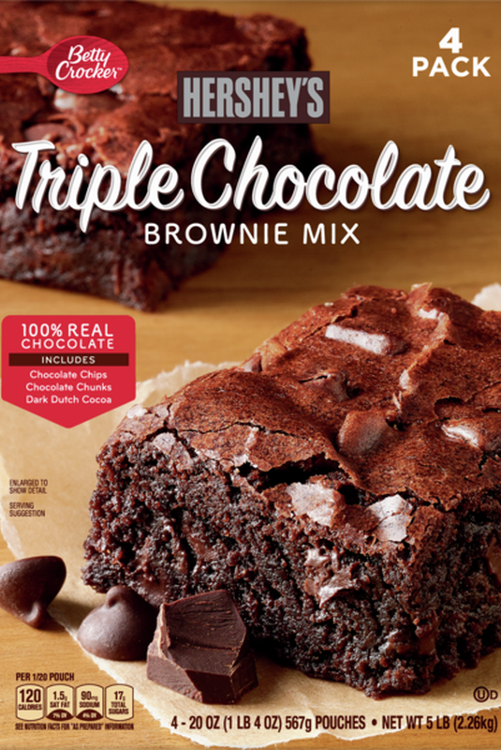

Kategori Pangan (BPOM)
Prefered Flavour | Chocolate Fudge
Product Benefits | No added sucrose (not for claim)
 | Less Calorie ( xx calorie)
 | High Fiber (optional)
 | Sugar free chocolate fudge & chips included (optional- if possible)

Mandatory Ingredients | Chocolate
Related Picture | see sheet reference (foto bisa tempting seperti fudgy brownies yg kekinian di sebelah kanan)

ATTENTION!
 | compulsory; filled by QBX (brand function) Managers
 | should only be filled with great certainty
 | should only be filled after discussion with QPA
Service Level Agreements | Lead Time QBX (brand function) |  | 5 workdays
 | Lead Time QPA (product development function) |  | [1 (benefits) + 2 (COGS)] = 2 workdays
 | Lead Time Revision |  | 2 workdays
Processes | After being filled. HOD approval request. Then, forward to RD as low priority project. Will be further prioritized in PV Cross Funct Mtg. Meanwhile, RD can prepare SLA projection to propose into PV's SLA for the project based on capacity and feasibility.

 |  |  | Revisi / Berlaku : 04 / 24.02.10
 |  |  | Lama Simpan : Selamanya

Market
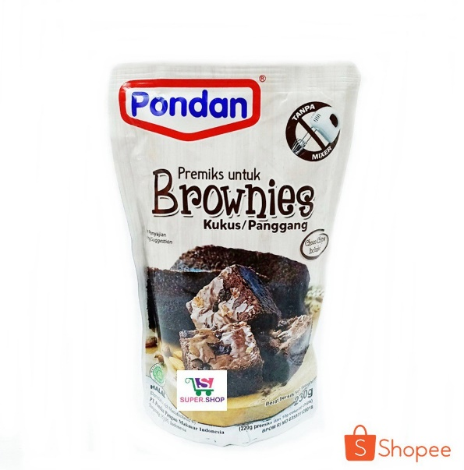
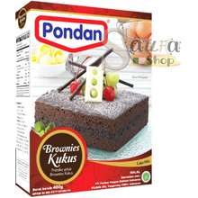
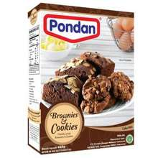

Brownies Instan |  |  |  |  | Official store
Merk | Harga | gram | Harga/gram | Harga per 250 gr | Transaction
Nutricake Instant Cake Brownies Chocolate 230G | Rp13,320 | 230 | 57.9 | Rp14,478 | 76
Nutricake Instant Cake Brownies Keju 230G | Rp13,320 | 230 | 57.9 | Rp14,478 | 44
Pondan Premiks Brownies Kukus Coklat 400 gr | Rp23,300 | 400 | 58.3 | Rp14,563 | 40
Pondan Brownies & Cookies 435 gr | Rp22,800 | 435 | 52.4 | Rp13,103 | 74
Pondan Brownies Kukus Panggang Pouch 230 gr | Rp10,200 | 230 | 44.3 | Rp11,087 | 178
Haan Instant Cake Mix Premiks Brownies Coklat 475 gr | Rp35,000 | 475 | 73.7 | Rp18,421
Haan Instant Cake Mix Premiks Brownies Coklat Pouch 230 gr | Rp15,000 | 230 | 65.2 | Rp16,304
 |  |  | HET Avg | Rp14,634
 |  |  | Price List | Rp11,707
 |  |  | Bulatkan | Rp12,000

Market Potency
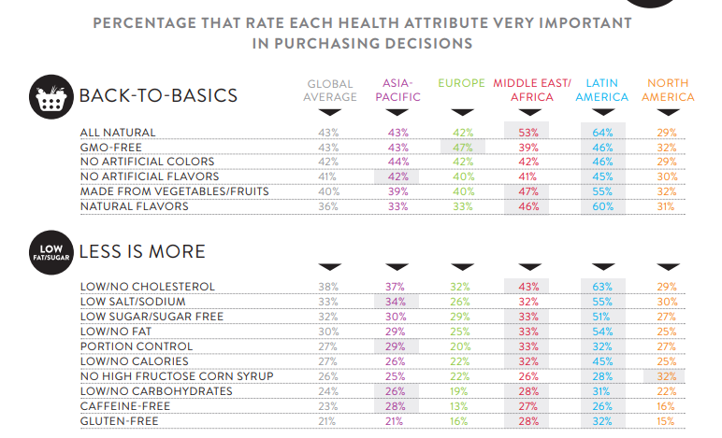
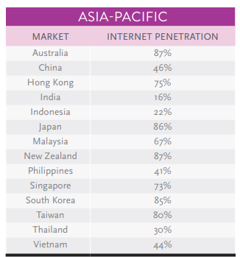
Jumlah penduduk Indonesia | 267,000,000
SES SU, U12 | 30% | Indonesian population
F, 25-50 | 38% | Indonesian population
Diabetes | 6.5%
Suka Memasak | 87%
Suka Baking / Bikin Kue | 25%
Bikin Brownies | 10%
Choose Tropicana Slim | 25%

Target market TS | 10,758 | persons

Consume TS
- 1 pack per bulan | 10,758 | portion

Price TS | IDR 12,000 | per portion


Sales potency | IDR 43,031,723 | per month
Pembulatan | 50,000,000 | per month

 |  |  | 464982 | 883883
 |  |  | 524826
 |  |  | 509726 | 6947659
 |  |  | 451364
 |  |  | 380792 | 10177924
 |  |  | 323266 | 3230265
 |  |  | 323266 | 68%
 |  |  | 267752
 |  |  | 284080
 |  |  | 375893
 |  |  | 2916139
 |  |  | 27.3%

Insight
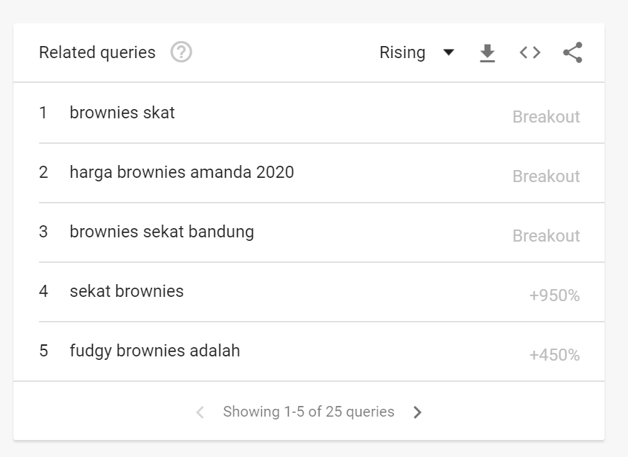
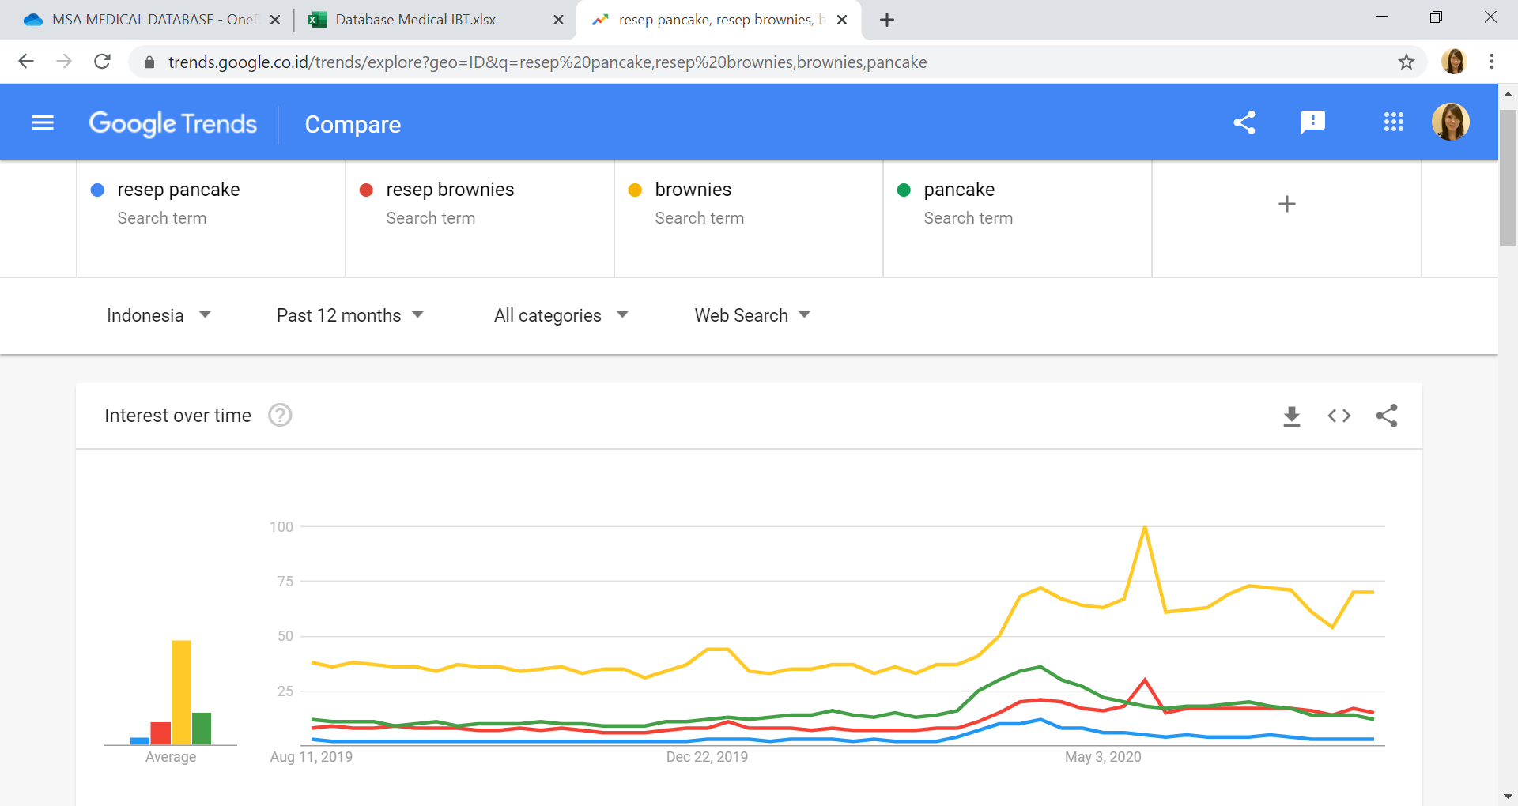

Both meningkat naik saat COVID --> trend memasak di rumah dan sampai sekarang masih lebih tinggi dibandingkan tahun 2019
overal pencarian utk brownies dan resep brownies lebih tinggi dibandingkan pancake, serta tidak declining (dibandingkan pancake & resep pancake)
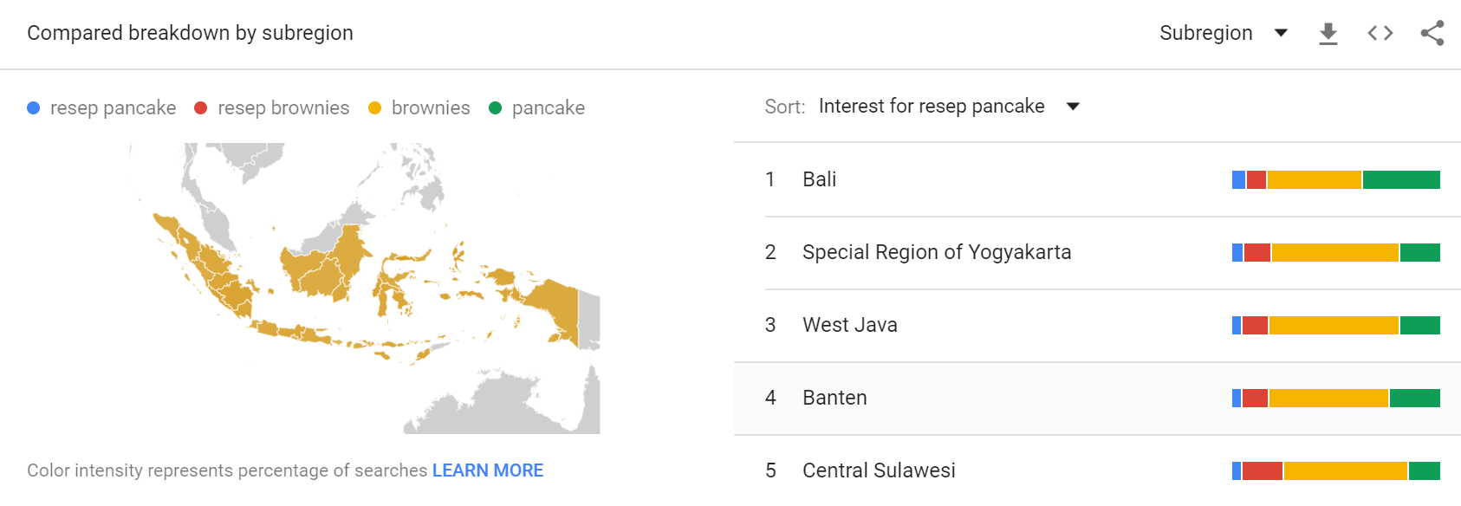

Brownies vs pancake, breakdown by area Indonesia masih menang brownies

